Coupling Coeff Table 1
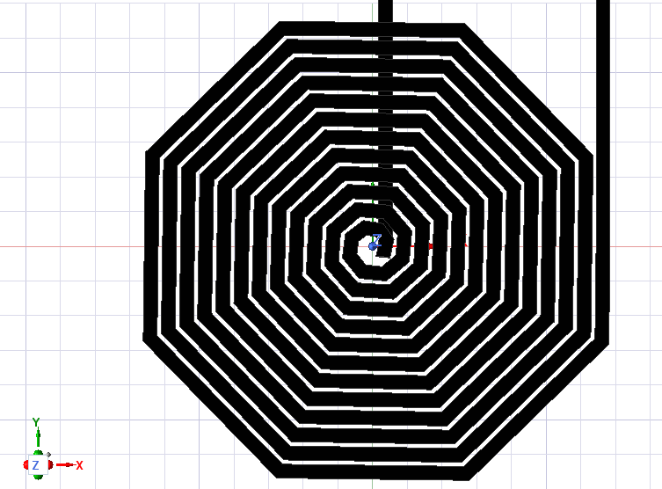 Octagenol Planar Design | With Wet Skin InBetween |  |  | With Dry Skin InBetween |  |  | Without Skin InBetween
Frequency [MHz] | Matrix1.CplCoef(TxWinding,RxWinding) | InducedVoltage(TxWinding) [kV] | InducedVoltage(RxWinding) [V] | Matrix1.CplCoef(TxWinding,RxWinding) | InducedVoltage(TxWinding) [kV] | InducedVoltage(RxWinding) [V] | Matrix1.CplCoef(TxWinding,RxWinding) | InducedVoltage(TxWinding) [kV] | InducedVoltage(RxWinding) [V]
0.1 | 0.31901105376 | 0 + 0.240411i | 0 + 76.7112i | 0.31917541367 | 0 + 0.240383i | 0 + 76.6148i | 0.31688721352 | 0 + 0.242235i | 0 + 77.0843i
0.2 | 0.319158971 | 0 + 0.480588i | 0 + 153.423i | 0.31903217836 | 0 + 0.480945i | 0 + 152.866i | 0.31688721352 | 0 + 0.48447i | 0 + 154.179i
0.3 | 0.31917539145 | 0 + 0.720806i | 0 + 230.592i | 0.3191449507 | 0 + 0.720817i | 0 + 230.426i | 0.31688721352 | 0 + 0.726705i | 0 + 231.27i
0.4 | 0.319145185 | 0 + 0.961109i | 0 + 307.217i | 0.31916897988 | 0 + 0.961989i | 0 + 306.138i | 0.31688721352 | 0 + 0.96894i | 0 + 308.337i
0.5 | 0.31901105376 | 0 + 1.20205i | 0 + 383.594i | 0.31917541367 | 0 + 1.20189i | 0 + 383.071i | 0.31689305356 | 0 + 1.21123i | 0 + 386.23i
0.6 | 0.31913069431 | 0 + 1.44185i | 0 + 460.347i | 0.31901853137 | 0 + 1.44316i | 0 + 459.804i | 0.31685868169 | 0 + 1.45341i | 0 + 463.383i
0.7 | 0.319145185 | 0 + 1.68197i | 0 + 537.538i | 0.31901104155 | 0 + 1.68443i | 0 + 536.252i | 0.31689305356 | 0 + 1.69572i | 0 + 540.722i
0.8 | 0.31913043672 | 0 + 1.92307i | 0 + 613.088i | 0.31898760227 | 0 + 1.92506i | 0 + 611.142i | 0.31688721352 | 0 + 1.93787i | 0 + 616.721i
0.9 | 0.31900616764 | 0 + 2.1629i | 0 + 694.956i | 0.319145185 | 0 + 2.16253i | 0 + 691.119i | 0.31689305356 | 0 + 2.18021i | 0 + 695.214i
1 | 0.31899865114 | 0 + 2.40452i | 0 + 767.057i | 0.319145185 | 0 + 2.4028i | 0 + 767.909i | 0.31688721352 | 0 + 2.42234i | 0 + 770.877i

Coupling coefficient againt Frequency
Frequency [MHz] | k_oct (wet skin) | k_oct (dry skin) | k_circ (wet skin) | k_circ (dry skin)
0.1 | 0.31901105376 | 0.31917541367 | 0.33681716886 | 0.33681762569
0.2 | 0.319158971 | 0.31903217836 | 0.33681762569 | 0.33681762569
0.3 | 0.31917539145 | 0.3191449507 | 0.33681762569 | 0.33681762569
0.4 | 0.319145185 | 0.31916897988 | 0.33681762569 | 0.33681762569
0.5 | 0.31901105376 | 0.31917541367 | 0.33681762569 | 0.33681716886
0.6 | 0.31913069431 | 0.31901853137 | 0.33681762569 | 0.33681762569
0.7 | 0.319145185 | 0.31901104155 | 0.33681762569 | 0.33681762569
0.8 | 0.31913043672 | 0.31898760227 | 0.33681762569 | 0.33681762569
0.9 | 0.31900616764 | 0.319145185 | 0.33681762569 | 0.33681762569
1 | 0.31899865114 | 0.319145185 | 0.33681762569 | 0.33681762702

Circular Planar Design | With Wet Skin InBetween |  |  | With Dry Skin InBetween |  |  | Without Skin InBetween
Frequency [MHz] | Matrix1.CplCoef(TxWinding,RxWinding) | InducedVoltage(TxWinding) [kV] | InducedVoltage(RxWinding) [V] | Matrix1.CplCoef(TxWinding,RxWinding) | InducedVoltage(TxWinding) [kV] | InducedVoltage(RxWinding) [V] | Matrix1.CplCoef(TxWinding,RxWinding) | InducedVoltage(TxWinding) [kV] | InducedVoltage(RxWinding) [V]
0.1 | 0.33681716886 | 0 + 0.251237i | 0 + 85.038i | 0.33681762569 | 0 + 0.251234i | 0 + 84.9714i | 0.33679504112 | 0 + 0.251192i | 0 + 85.173i
0.2 | 0.33681762569 | 0 + 0.502469i | 0 + 169.941i | 0.33681762569 | 0 + 0.50247i | 0 + 169.939i | 0.33703865463 | 0 + 0.502268i | 0 + 170.509i
0.3 | 0.33681762569 | 0 + 0.753702i | 0 + 254.912i | 0.33681762569 | 0 + 0.753702i | 0 + 254.912i | 0.33706230389 | 0 + 0.753358i | 0 + 255.686i
0.4 | 0.33681762569 | 0 + 1.00494i | 0 + 339.886i | 0.33681762569 | 0 + 1.00494i | 0 + 339.878i | 0.33708122237 | 0 + 1.00454i | 0 + 340.746i
0.5 | 0.33681762569 | 0 + 1.25616i | 0 + 424.864i | 0.33681716886 | 0 + 1.25617i | 0 + 425.166i | 0.33706232026 | 0 + 1.2556i | 0 + 426.126i
0.6 | 0.33681762569 | 0 + 1.50741i | 0 + 509.819i | 0.33681762569 | 0 + 1.5074i | 0 + 509.821i | 0.33706207021 | 0 + 1.50674i | 0 + 511.185i
0.7 | 0.33681762569 | 0 + 1.75864i | 0 + 594.785i | 0.33681762569 | 0 + 1.75861i | 0 + 594.811i | 0.33703865463 | 0 + 1.75795i | 0 + 596.782i
0.8 | 0.33681762569 | 0 + 2.00987i | 0 + 679.764i | 0.33681762569 | 0 + 2.00986i | 0 + 679.766i | 0.33706230389 | 0 + 2.00894i | 0 + 681.819i
0.9 | 0.33681762569 | 0 + 2.26109i | 0 + 764.74i | 0.33681762569 | 0 + 2.26108i | 0 + 764.748i | 0.33706232026 | 0 + 2.26008i | 0 + 767.021i
1 | 0.33681762569 | 0 + 2.51232i | 0 + 849.709i | 0.33681762702 | 0 + 2.51243i | 0 + 849.704i | 0.33706294075 | 0 + 2.51114i | 0 + 851.484i

Coupling coefficient againt Frequency
Coupling coefficient againt Frequency

 |  | k_oct (no skin) | k_circ (no skin)
 |  | 0.31688721352 | 0.33679504112
 |  | 0.31688721352 | 0.33703865463
 |  | 0.31688721352 | 0.33706230389
 |  | 0.31688721352 | 0.33708122237
 |  | 0.31689305356 | 0.33706232026
 |  | 0.31685868169 | 0.33706207021
 |  | 0.31689305356 | 0.33703865463
 |  | 0.31688721352 | 0.33706230389
 |  | 0.31689305356 | 0.33706232026
 |  | 0.31688721352 | 0.33706294075

